Sheet1
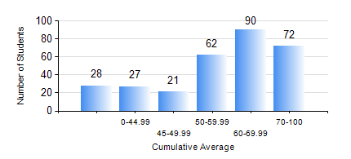
 |  |  | KWAME NKRUMAH UNIVERSITY OF SCIENCE AND TECHNOLOGY, KUMASI Department of Electrical/Electronic Engineering

 |  |  | BSC. ELECTRICAL/ELECTRONIC ENG.

 |  |  | COMPREHENSIVE RECORD OF EXAMINATION RESULTS

 |  |  | RESULTS OF YEAR 1 SECOND SEMESTER, 2023/2024 ACADEMIC YEAR

 | Sn | Course Code |  | Course Name | Credit Hours | Min. Mark | Max. Mark | Avg. Mark | Std. Dev. | No. Passed | No. Trailed | No. (Df) | No. (I) | No. (I*) | No. Tagged(I,I*,Df) | Total
 | 0. |  |  |  |  |  |  | 0 | 0 | 0 | 0 | 0 | 0 | 0 | 0 | 36
 | 1. | COE 158 |  | INTRODUCTION TO INFORMATION TECHNOLOGY | 2 | 4 | 89 | 47 | 13.69 | 205 | 57 | 0 | 2 | 0 | 2 | 264
 | 2. | EE 152 |  | BASIC ELECTRONICS | 3 | 25 | 94 | 66 | 13.48 | 255 | 8 | 0 | 1 | 0 | 1 | 264
 | 3. | EE 156 |  | ELECTRICAL ENG. DRAWING | 2 | 32 | 86 | 68 | 10.2 | 262 | 2 | 0 | 0 | 0 | 0 | 264
 | 4. | EE 162 |  | ELECTROMECHANICAL ENERGY CONVERSION AND TRANSFORMERS | 3 | 11 | 91 | 57 | 19.85 | 203 | 59 | 0 | 2 | 0 | 2 | 264
 | 5. | ENGL 158 |  | COMMUNICATION SKILLS II | 2 | 32 | 98 | 80 | 10.81 | 262 | 1 | 0 | 1 | 0 | 1 | 264
 | 6. | MATH 152 |  | CALCULUS WITH ANALYSIS | 4 | 13 | 95 | 55 | 16.39 | 225 | 38 | 0 | 1 | 0 | 1 | 264
 | 7. | ME 166 |  | APPLIED THERMODYNAMICS I | 2 | 19 | 93 | 59 | 15.18 | 254 | 8 | 0 | 2 | 0 | 2 | 264

